Press Shop
PPE USE CHECK SHEET |  |  |  |  |  |  |  |  |  |  |  |  |  |  |  |  |  |  |  |  |  |  |  |  |  | MONTH :- |  |  |  | Feb-26
 |  |  |  |  |  |  |  |  |  |  |  |  |  |  |  |  |  |  |  |  |  |  |  |  |  | LINE :- |  |  |  | 3
PPE | PHOTO | APPLICABLE | SHIFT | 1 | 2 | 3 | 4 | 5 | 6 | 7 | 8 | 9 | 10 | 11 | 12 | 13 | 14 | 15 | 16 | 17 | 18 | 19 | 20 | 21 | 22 | 23 | 24 | 25 | 26 | 27 | 28 | 29 | 30 | 31
CAP |  | ALL | A
 |  |  | B
GLOVES |  | ALL | A
 |  |  | B
SAFETY GOGGLES |  | ALL | A
 |  |  | B
EAR PLUG |  | ALL | A
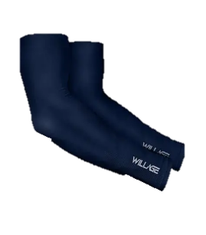
 |  |  | B
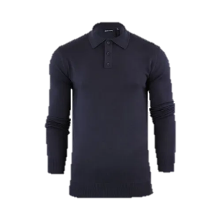 FULL SLEEVES |  | ALL | A
 |  |  | B
SHOES |  | ALL | A
 |  |  | B
SUPERVISOR SIGN |  | DAILY WISE ( A )
SUPERVISOR SIGN |  | DAILY WISE ( B )
MANAGER SIGN |  | WEEKLY

